Completion Guidance
Completion Guidance

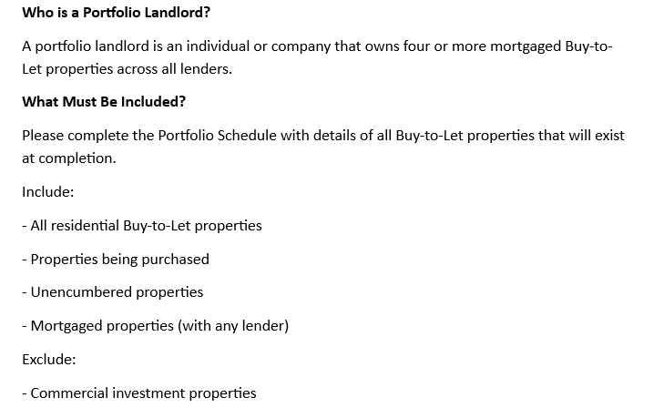 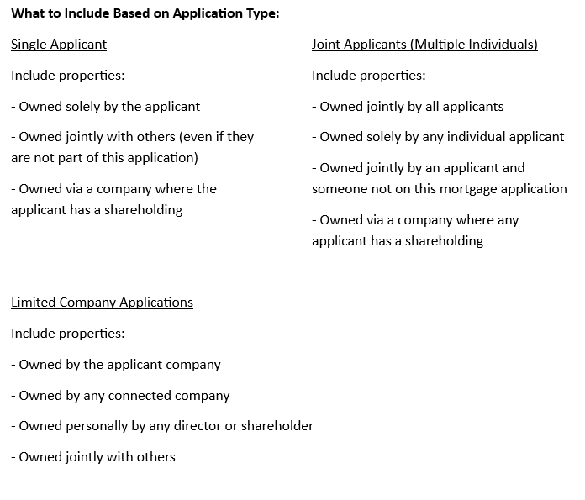

Totals:
The totals for rental income, mortgage balances and mortgage payments will be calculated and shown at the bottom of the schedule. Please check to ensure that the outcome is what is expected.

